Table 1
TAICHUNG COMBINED CYCLE POWER PLANT PROJECT |  |  |  |  | SPEC. REF. NO. 1007-141-MS-01
COMBINED CYCLE POWER GENERATING EQUIPMENT WITH POWER BLOCK BUILDINGS & FACILITIES FOR UNITS CC#1 & CC#2

DRAWING/DOCUMENT REVIEW COMMENT SHEET
SYSTEM / EQUIPMENT: Painting Specification, Control Valve List, Manual Valves List for DWTS
DWG/DOC. NO.: As following
ITEM NO. | DRAWING/DOCUMENT NO. | SECTION / ITEM / PAGE | COMMENT / QUESTION | CONTRACTOR'S REPLY | NOTE
1 | TC0-1-KDE02-A0087-A | - | 有關 TC0-1-KDE02·-A0087，Control Valve List,的 Manufacture Name 以及 Model Name 部分均為 Later,請於定稿前填具。 | Sorry for your inconvinience. Manufacturer and model name were added. | DNFPP 儀控組
2 | TC0-1-KDM02-A0087-A | - | CONTROL VALVE LIST NO 10 (C00GCB51QM062)之描述與 P&ID (TC0-1-KDM02-D0024) 圖上所標示的不符，請澄清是否修正為”ACTIVATED CARBON FILTER A BACKWASH OUTLET”，或修改 P&ID 圖。 | 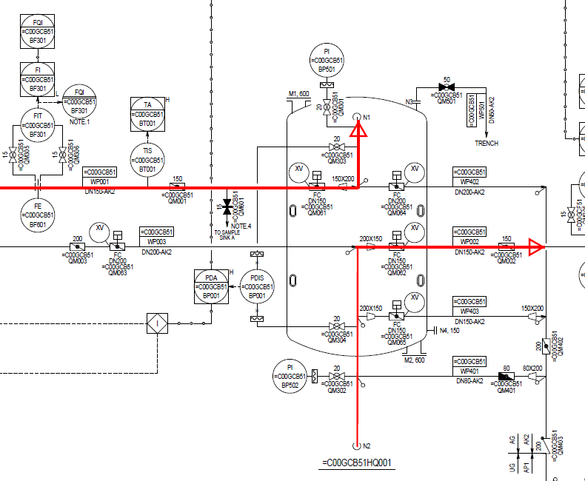 Description for =C00GCB51/52/53/54QM062 is ACF service outlet. It is not backwash outlet valve. ACF service flow is same as below capture. Please kindly review the latest P&ID and control valve list. | CPCO 儀控組
3 | TC0-1-KDM02-A0087-A | - | CONTROL VALVE LIST NO 12 (C00GCB51QM064)，問題同上。 | 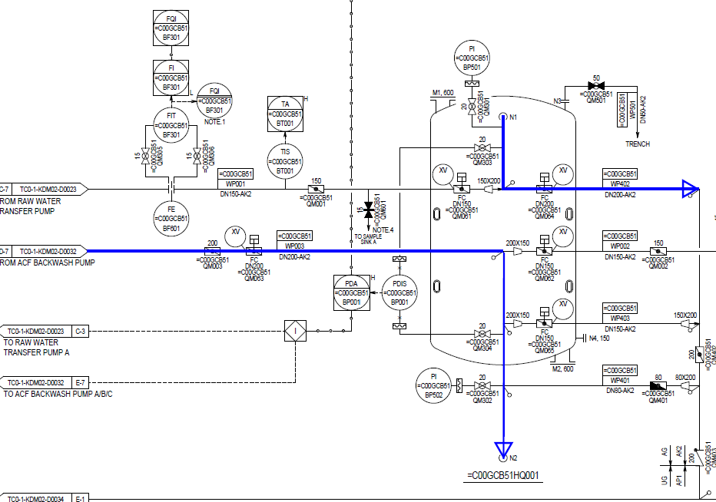 Description for =C00GCB51/52/53/54QM064 is ACF backwash outlet. Please kindly review the latest P&ID and control valve list. | CPCO 儀控組
4 | TC0-1-KDM02-A0087-A | - | CONTROL VALVE LIST NO 22 (C00GCB52QM062)之描述與 P&ID(TC0-1-KDM02-D0024) 圖上所標示的不符，請澄清是否修正為”ACTIVATED CARBON FILTER B BACKWASH OUTLET”，或修改 P&ID 圖。 | Description for =C00GCB51/52/53/54QM062 is ACF service outlet. It is not backwash outlet valve. ACF service flow is same as below capture. Please kindly review the latest P&ID and control valve list. | CPCO 儀控組
5 | TC0-1-KDM02-A0087-A | - | CONTROL VALVE LIST NO 24 (C00GCB52QM064)，問題同上，後續相同問題請一併修改。 | Description for =C00GCB51/52/53/54QM064 is ACF backwash outlet. Please kindly review the latest P&ID and control valve list. | CPCO 儀控組
6 | TC0-1-KDM02-A0069-A TC0-1-KDM02-A0087-A | - | 請於下版次補上 MANUFACTURER NAME 及 MODEL NAME。 | Sorry for your inconvinience. Manufacturer and model name were added. | CPCO 儀控組

